Monthly Summary
MONTHLY SUMMARY |  |  |  |  | CHOOSE MONTH TO DISPLAY ➤ |  | February

 |  |  |  |  | CHOOSE YEAR TO DISPLAY ➤ |  | 2025

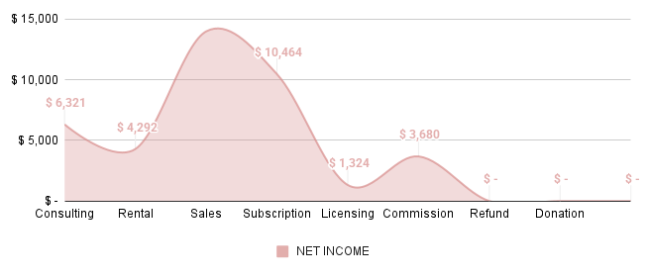
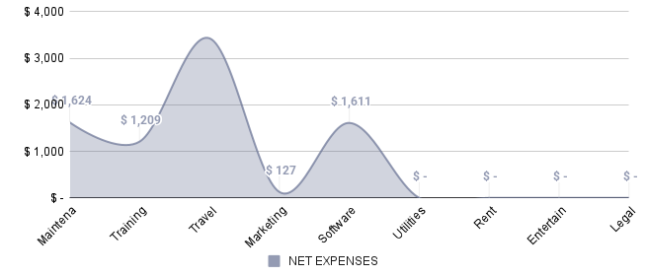

INCOME | AMOUNT | TAX | NET INCOME | % | EXPENSES | AMOUNT | TAX | NET EXPENSES | %
Services | $6,654 | $333 | $6,321 | 16% | Office Supplies | $1,658 | $33 | $1,624 | 20%
Consulting | $4,518 | $226 | $4,292 | 11% | Maintenance | $1,234 | $25 | $1,209 | 15%
Rental | $14,725 | $736 | $13,989 | 35% | Training | $3,500 | $70 | $3,430 | 43%
Sales | $11,015 | $551 | $10,464 | 26% | Travel | $130 | $3 | $127 | 2%
Subscription | $1,393 | $70 | $1,324 | 3% | Marketing | $1,644 | $33 | $1,611 | 20%
Licensing | $3,874 | $194 | $3,680 | 9% | Software | $- | $- | $- | 0%
Commission | $- | $- | $- | 0% | Utilities | $- | $- | $- | 0%
Refund | $- | $- | $- | 0% | Rent | $- | $- | $- | 0%
Donation | $- | $- | $- | 0% | Entertainment | $- | $- | $- | 0%
Miscellaneous | $- | $- | $- | 0% | Legal Fees | $- | $- | $- | 0%
 | $- | $- | $- | 0% |  | $- | $- | $- | 0%
 | $- | $- | $- | 0% |  | $- | $- | $- | 0%
 | $- | $- | $- | 0% |  | $- | $- | $- | 0%
 | $- | $- | $- | 0% |  | $- | $- | $- | 0%
 | $- | $- | $- | 0% |  | $- | $- | $- | 0%
 | $- | $- | $- | 0% |  | $- | $- | $- | 0%
 | $- | $- | $- | 0% |  | $- | $- | $- | 0%
 | $- | $- | $- | 0% |  | $- | $- | $- | 0%
 | $- | $- | $- | 0% |  | $- | $- | $- | 0%
 | $- | $- | $- | 0% |  | $- | $- | $- | 0%
TOTALS | $42,179 | $2,109 | $40,070 |  | TOTALS | $8,165 | $163 | $8,002
 |  |  |  |  |  |  |  |  |  | .

